1. Title Page
Project Name: Instacart Grocery Basket Analysis
Date:
Analyst Name: Matthew Abrams

About:
Uncovered information about Instacart's sales patterns by performing an exploratory analysis of some of their data. Used information based on customers' background and ordering habits to derive insights and suggest marketing strategies for better segmentation

Contents:
Population Flow
Wrangling Steps
Consistency checks
Column derivations
Visualizations
Recommendations
Appendix

Source:
“The Instacart Online Grocery Shopping Dataset 2017”, Accessed from https://www.instacart.com/datasets/grocery-shopping-2017 on December 28th 2021.

2. Population Flow
Population flow

Exclusion flag
Condition: max_order < 5 orders
Obervations to be removed: 1441488
Final total count of order_products_all: 30991542

Orders_products_all
Orders_products_combined
Orders_products_merged

Total: 32434489 rows
Total: 32433030 rows
Total: 32433030 rows

1) The grey boxes in the first row of the population flow represent the original data sets as they were when you downloaded them. In the Total fields you need to add the count of the rows when you imported the data set into Jupyter.
2) The second row of boxes (colored) represents the data sets after you manipulated them, e.g., removed missing values and duplicates. In the Total fields you need to add the count of the rows after conducting these operations. This offers a visual overview of how the data flows throughout the data consistency checks.
3) The third row, where also the arrows are colored, represents the merges you performed between the datasets. In the Total fields you need to add the count of the rows in the merged datasets, so that you end up with the final dataset (in the red box). Keep in mind the final dataset should be without exclusions (based on the exclusion flag).

3. Wrangling steps
Wrangling steps

Action: (Dropping Columns, Renaming Columns, Changing type of Column) | Comment/Reason
Dropped column of orders.csv: 'eval_set' | Column was not necessary in my analysis
Renamed column in orders.csv: from 'order_dow' to 'order_day_of_week' | Wanted to clarify representation of this column
Transposed departments.csv | The dataframe was too wide, started out with 1 row, 22 columns
Renamed all columns of customer.csv | Wanted to clarify representation of each column
Dropped columns of customer.csv: 'First Name', 'Last_Name' | Adhering to data privacy

4. Consistency checks
Consistency checks

Dataset | Missing values | Missing values treatment | Duplicates
orders | 206209 missing values under days_since_prior_order | Create a new variable column (first_order) that acts like a flag based on the missing value | None
products | 16 missing values under product_name | Create a new variable column (unknown_product_name) that acts like a flag based on the missing value | 5 duplicates, removed
orders_products_prior | No missing values | N/A | None
customers | 11259 missing values under First Name | Create a new variable column (missing_first_name) that acts like a flag based on the missing value | None

Note: Two products had unusally high prices: Lowfat 2% Milkfat Cottage Cheese for $14900 and 2% Reduced Fat Milk for $99900
I looked up the prices of the similar products: Low Fat Cottage Cheese ($6.70) and Reduced Fat Milk ($9.20) and replaced the extremely high values with the alternative values

5. Column derivations
Column derivations and aggregations

In this tab you should add tables below that the frequences of flags/label variables that you produced after deriving them. NB: don't do this for continuous variables, only for flags.
Dataset | New column | Column/s it was derived from | Conditions
orders | busiest_day | order_day_of_week | 'Busiest days' if Saturday or Sunday, 'Least busiest days' if Tuesday or Wednesday, 'Regularly busy' for all other days not mentioned
orders | busiest_period_of_day | order_hour_of_day | 'Most orders' if between 9 AM and 4 PM , 'Fewest orders' if between 11 PM and 6 AM, 'Average orders' for all other hours of day not mentioned
orders | max_orders | aggregated by maximum value in order_number column, grouped by user_id | Finding the maximum number of orders each customer has made
orders | loyalty_flag | max_orders | If max_orders > 40, 'loyal customer' , If max_orders > 10 but <= 40, 'regular customer', If max_orders <= 10 , 'new customer'
orders | median_num_of_days_since_prior_order | aggregated by median of values in days_since_prior_order column, grouped by user_id | Finding the median number of days since prior order each customer has made
orders | type _of_customer | median_num_of_days_since_prior_order | If median_num_of_days_since_prior_order column > 20, 'Non-frequent customer' , If median_num_of_days_since_prior_order column > 10 but <= 20, 'Semi-frequent customer', If median_num_of_days_since_prior_order column <= 10, 'Frequent customer'
orders | Part of Day | order_hour_of_day | if 12 AM to 7:59 AM then 'Early Morning', if 8 AM to 4:59 PM then Day Time, Other times not mentioned like 5 PM to 11:59 PM then Night Time
orders | Type of Day | order_day_of_week | weekday if 'Monday', 'Tuesday', 'Wednesday', 'Thursday', or 'Friday', weekend if 'Saturday' or 'Sunday'
products | price_range | prices | 'low-range-product' if $5 or less, 'mid-range-product' if more than $5, but $15 or less, 'high-range product' if more than $15
products | average_price_products_purchased | aggregated by average of values in prices column, grouped by user_id | Finding the average amount of money customers pay towards products
products | type_of_spender | average_price_products_purchased | If average_price_producsts_purchased < 10, low spender, If average_price_producsts_purchased >= 10, high spender
customers | Region | States | Some states belong to South, some states belong to Midwest, some states belong to the West, some states belong to Northeast
customers | Income Range | Income | Low Income if income less than 50000, Middle Income if income 50000 or more but less than 100000, High income if income 100000 or more
customers | Type of Adult | Income | Working Class if income less than 50000, Middle Class if income 50000 or more but less than 100000, Upper Class if income 100000 or more
customers | Type of Adult | Family Status | single if single, Dependant if living with parents and siblings, divorced/widowed if divorced and widowed, married if married

6. Visualizations
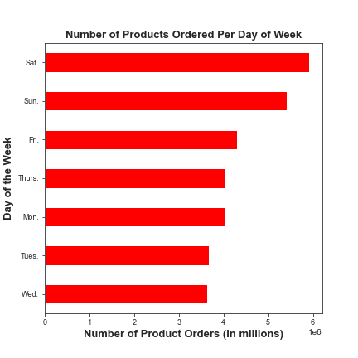
Visualizations
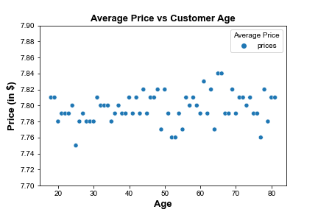
This bar graph shows how many products were ordered during days of the week. More ordered products take place on weekends.
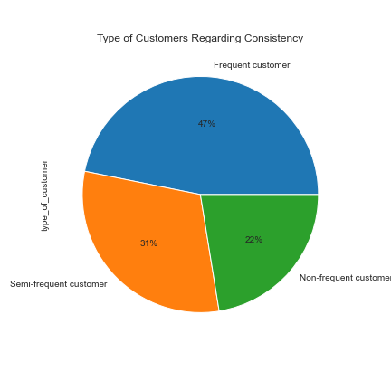
This pie chart shows the proportion of different types of loyalty customers. So far, customers who shop every week to two weeks on average make almost one-half of all customers who order from IC.
This scatterplot shows a weak relationship between the age of customers and average price spent by customer

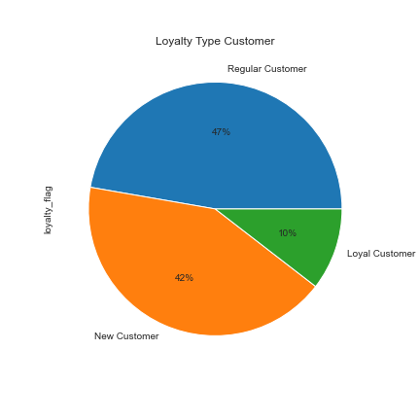

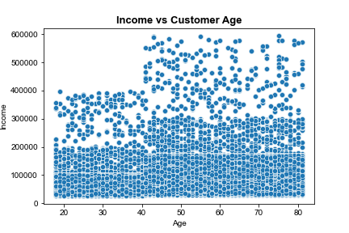
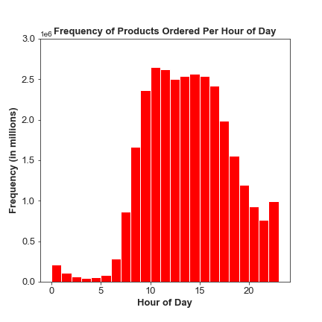

This pie chart shows the proportion of different types of loyalty customers. So far regular customers make almost one-half of all customers who order from IC. There are many new customers in comparison to those who are loyal customers.
This scatterplot shows customers of older age have higher income compared to younger customers
This histograph shows how many products were ordered during hours of the day. More ordered products take place in the late morning to evening between 9 AM and 5 PM

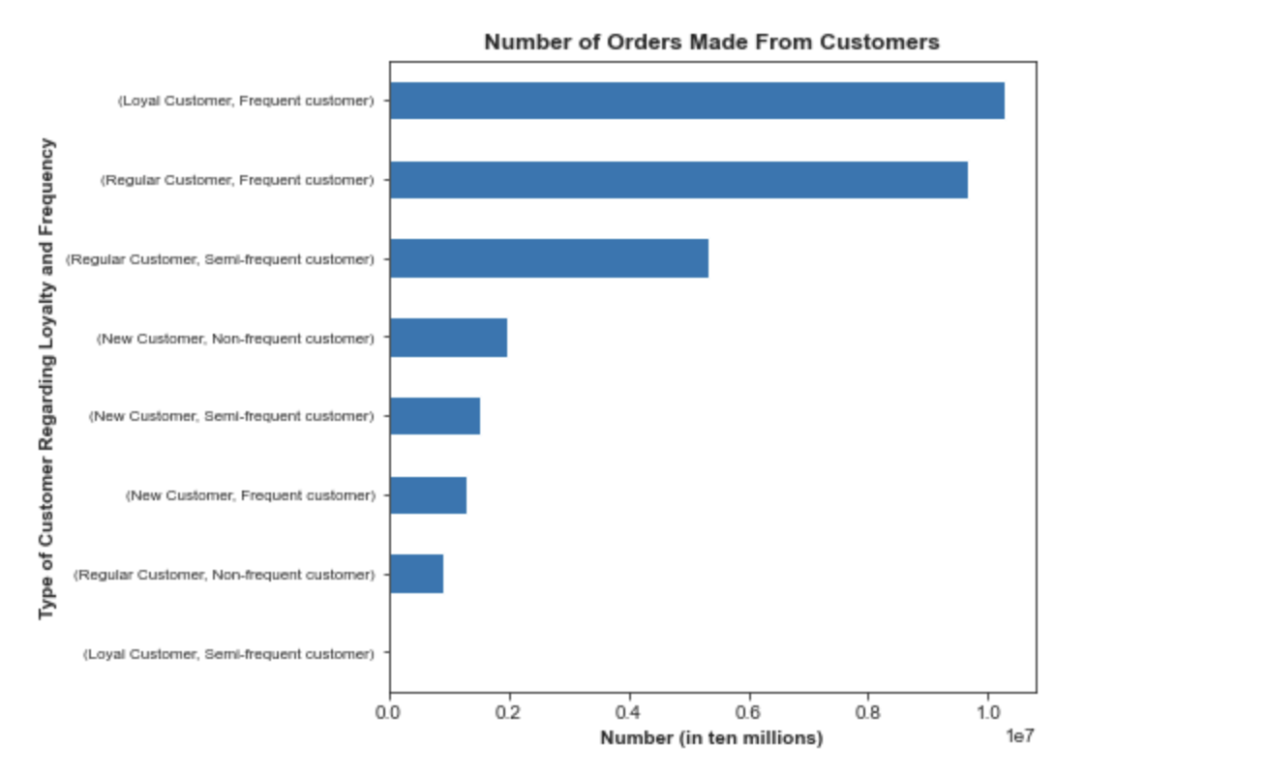

This bar chart shows the number of orders made by different types of customers grouped by loyalty and consistency. More orders have been made by regular customers and loyal customers who shop frequently. Most customers who are new do not shop as frequent as regular and loyal customers.

7. Recommendations
Recommendations

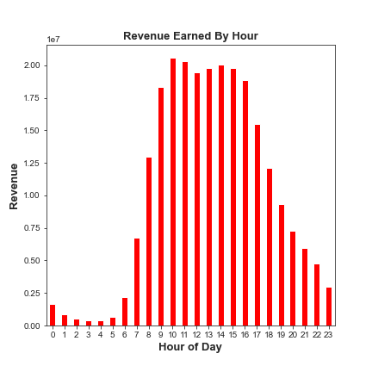
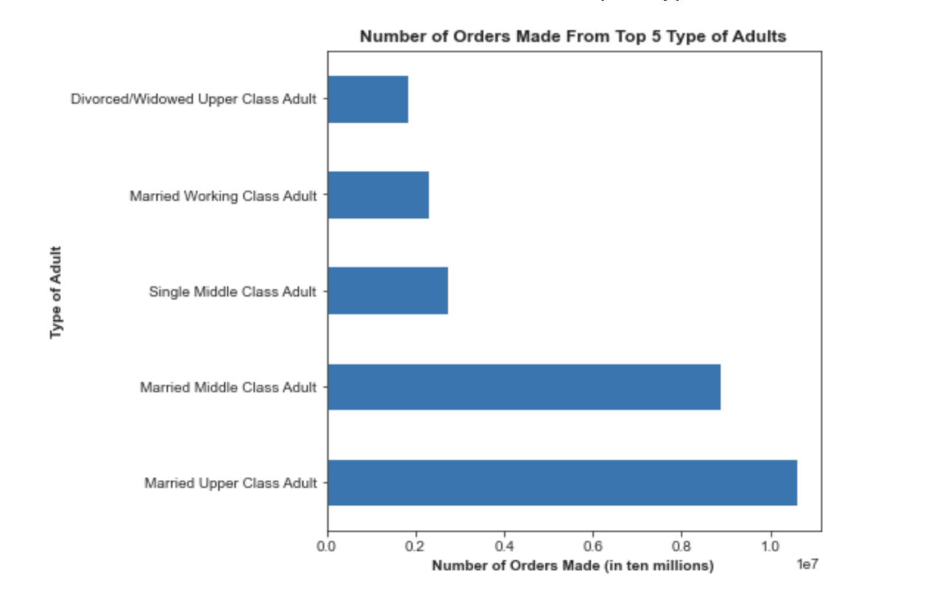
This bar graph shows the most revenue was earned from people who shop between 9 AM and 5 PM.
This bar graph shows most orders come from customers who are married or those with high income.
Question | Answers | Recommdendations
1) What are the busiest days of the week and hours of the day? | The majority of product orders online take place on the weekends between 9 AM and 5 PM, making them the busiest times of the week | Schedule ads on Tuesdays and Wednesdays so customers can plan out their shopping on the weekends.
2) What time of day do people spend the most money | Most revenue is earned between 9 AM to 5 PM which makes sense since the majority of product orders take place around that timeframe. | Have inventory stock up on food every midnight to dusk in preparation for customers to start ordering online.
3) Are there certain types of products that are more popular than others? | More products from Produce, Dairy/Eggs, Snacks, Beverages, and Frozen departments were ordered compared to other departments. At least 25% of total orders relate to products from the produce department. | A suggestion would be to have the inventory of Instacart stock more products towards departments related to produce, dairy/eggs, snacks, beverages, and frozen items.
4) What’s the distribution among users in regards to their brand loyalty? | Almost 50% of all customers from Instacart are regular customers, those who've made more than 10 but 40 or less orders. About 10% of all customers are loyal customers who made over 40 orders. Other customers are new who made between 5 and 10 orders. | Provide Instacart rewards/savings card as incentive to customers so they can place more online orders on products and as frequent as possible.
5) Are there differences in ordering habits based on a customer’s loyalty status? | Most orders have been made by loyal and regular customers who shop frequently once every 10 days or less on average. The majority of orders made by new customers are also those who shop once every 20 days or more on average so not as frequent as loyal and regular customers. | Make customer service a priority, especially for new customers. Send weekly surveys regarding customer satisfaction, what Instacart can do to improve customer experiences for ongoing future orders. A suggested feature would be to add an online alert letting customers know they haven't received their orders in a while. Also attach pictures of IC products that relate to customers' interests or their history of purchase.
6) Are there differences in ordering habits based on a customer’s region? | Ordering habits in all regions are the same. The ratio of frequent to semi-frequent to non-frequent customers in all regions are all proportional. Regardless of region, more orders have been made towards the top 5 departments as mentioned above. | Regardless of region, a suggestion would be to give incentives to customers who do not shop frequently.
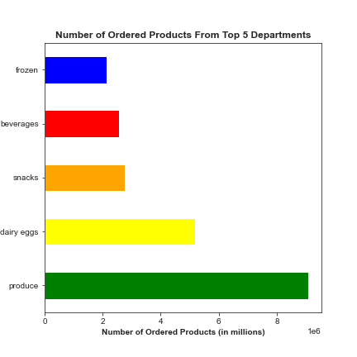
This bar graph shows products from the produce, dairy/eggs, snacks, beverages, and frozen departments are popular with the customers who shop at IC.
7) Is there a connection between age and family status in terms of ordering habits? | Majority of people shop frequently once every 10 days on average. Customers who are married or are 36+ years old make up the most frequent customers and the most orders. This makes sense considering customers who are married have 1 or more dependents (plus children) where ordering food on a regular basis is needed. Regardless of family status, more orders have been made towards the top 5 departments as mentioned above. | Hosts virtual events, blogs, tweets, to reach other demographics of customers, especially those who are young single adults. Be inclusive of all demographic backgrounds when having holidays. An example would be around February, where Valentines Day sales take place. Instacart can host a Single Days sale as suggested around that timeframe. Provide the elderly a senior discount the 1st Saturday of each month. Provide advertisements that tend to customers who have families.
8) What different classifications does the demographic information suggest? Age? Income? Certain types of goods? Family status? | So far, there's no link between the age of customers and the average amount of money spent from them on IC products. On average however, people with higher income spend more money on products compared to people with lower income. More products from all five departments mentioned above have been ordered from customers of different demographic backgrounds. Majority of customers who have higher income shop for products relating to the produce department compared to people with lower income. | A suggestion would be to provide online store savings/rewards cards to all customers. Also provide customers of lower income an incentive like additional coupons like 10% off order if spent more than $30.
9) What differences can you find in ordering habits of different customer profiles? | Majority of Instacart customers who are married and have higher income ($50000 or more annually) shop frequently once every week on average. | Same as suggested above.

